Gráfico Markov e MTTF
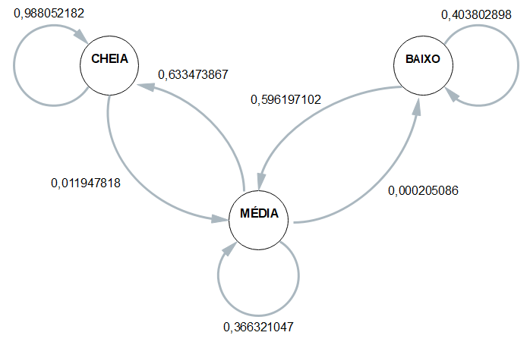
 | Esp1 | Esp2 | Esp3 | Esp4 | Média
CC | 0.98947368421 | 0.98666666667 | 0.98888888889 | 0.98717948718 | 0.98805218174
CM | 0.010526315789 | 0.013333333333 | 0.011111111111 | 0.012820512821 | 0.011947818264
CB | 0 | 0 | 0 | 0 | 0

MC | 0.62141687142 | 0.64039408867 | 0.62205369953 | 0.65003080715 | 0.63347386669
MM | 0.37837837838 | 0.35940065681 | 0.37774134044 | 0.34976381187 | 0.36632104688
MB | 0.00020475020475 | 0.0002052545156 | 0.00020496003279 | 0.00020538098172 | 0.00020508643372

BC | 0 | 0 | 0 | 0 | 0
BM | 0.54411764706 | 0.6 | 0.63793103448 | 0.60273972603 | 0.59619710189
BB | 0.45588235294 | 0.4 | 0.36206896552 | 0.39726027397 | 0.40380289811

 | Esp1 | Esp2 | Esp3 | Esp4 |  | média
Hora Inicial | 14:28:42 | 14:32:55 | 14:38:01 | 14:41:13 |  | 14:35:13
Hora Limite 2,8 | 4:37:05 | 4:35:51 | 4:44:42 | 4:44:09 |  | 4:40:27
Hora final | 4:48:40 | 4:49:29 | 4:54:35 | 4:56:35 | MTTF | 4:52:20
total de horas até 2,8 | 9:51:37 | 9:57:04 | 9:53:19 | 9:57:04 | 9:54:46 | 9:54:46

